Assignment 2
ASSIGNMENT 2: | List product id, product name, unit price from products table.

Query: | select ProductID,ProductName,UnitPrice from Products;
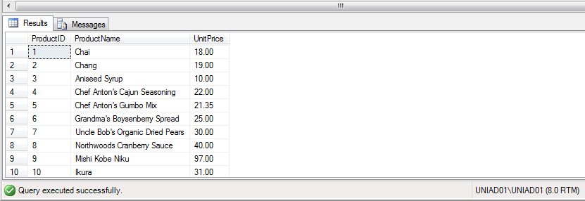

Output:

Assignment 3
ASSIGNMENT 3: | List product id, product name, unit price from products table. Change column name in output as below.
 | product id -> id
 | product name -> name
 | unit price -> price
 | Note: Check alise for Table Name too

Query: | select ProductID AS Id,ProductName AS Name,UnitPrice AS Price from Products AS ProductsDetails;

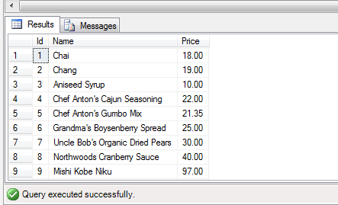
Output:

Assignment 7
ASSIGNMENT 7: | Find a employees who are either Sales Representative or Sales Manager

Query: | select * from Employees where Title='Sales Representative' OR Title='Sales Manager';

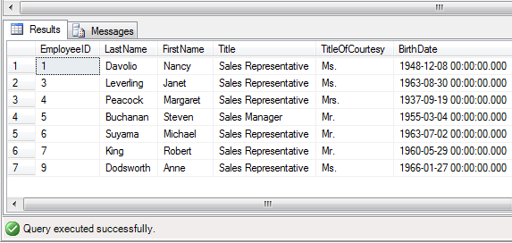
Output:

Assignment 9
ASSIGNMENT 9: | Find a employees whoes TitleOfCourtesy is not "Mr." (Use NOT Operator)

Query: | select * from Employees where NOT TitleOfCourtesy='Mr.';

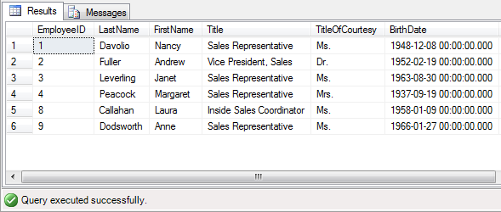
Output:

Assignment 16
ASSIGNMENT 16: | Display LastName, FirstName and Gender from Employees Table. Gender will be based on following Criteria.
 | If TitleOfCourtesy is Ms. Mrs. then display "Female"
 | If TitleOfCourtesy is Dr. Mr. then display "Male"
 | Use Case Statement

Query: | SELECT LastName,FirstName,TitleOfCourtesy,
 | case(TitleOfCourtesy)
 | WHEN 'Ms.' THEN 'Female'
 | WHEN 'Mrs.' THEN 'Female'
 | WHEN 'Mr.' THEN 'Male'
 | WHEN 'Dr.' THEN 'Male'
 | END
 | Gender
 | FROM Employees;
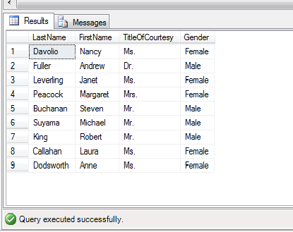
Output:

